1. Title Page
[Grocery Basket Analysis]

Project Name: InstaCart Grocery Basket Analysis
Date: 03/21/2024
Analyst Name: Ellen Johnston
Contents:
Population Flow
Consistency checks
Wrangling steps
Column derivations
Visualizations
Recommendations

The Instacart stakeholders are most interested in the variety of customers in their database along with their purchasing behaviors. They assume they can't target everyone using the same methods, and they’re considering a targeted marketing strategy. They want to target different customers with applicable marketing campaigns to see whether they have an effect on the sale of their products. Your analysis will inform what this strategy might look like to ensure Instacart targets the right customer profiles with the appropriate products. The stakeholders would like to be able to answer the following key questions:
● The sales team needs to know what the busiest days of the week and hours of the day are (i.e., the days and times with the most orders) in order to schedule ads at times when there are fewer orders.
● They also want to know whether there are particular times of the day when people spend the most money, as this might inform the type of products they advertise at these times.
● Instacart has a lot of products with different price tags. Marketing and sales want to use simpler price range groupings to help direct their efforts.
● Are there certain types of products that are more popular than others? The marketing and sales teams want to know which departments have the highest frequency of product orders.
● The marketing and sales teams are particularly interested in the different types of customers in their system and how their ordering behaviors differ. For example:
○ What’s the distribution among users in regards to their brand loyalty (i.e., how often do they return to Instacart)?
○ Are there differences in ordering habits based on a customer’s loyalty status? ○ Are there differences in ordering habits based on a customer’s region?
○ Is there a connection between age and family status in terms of ordering habits?
○ What different classifications does the demographic information suggest? Age? Income? Certain types of goods? Family status?
○ What differences can you find in ordering habits of different customer profiles?

2. Population Flow
Title page

Population flow

Exclusion flag
Condition: max_order < 5
Obervations to be removed: 1,440,295
Final total count of order_products_all: 30,964,564

Orders_products_combined
Orders_products_merged
Orders_products_all

Total: 32,404,859
Total: 32,434,489
Total: 32,404,859

1.) The grey boxes in the first row of the population flow represent the original data sets as they were when you downloaded them. In the Total fields you need to add the count of the rows when you imported the data set into Jupyter.
2.) The second row of boxes (coloured) represents the data sets after you manipulated them, e.g., removed missing values and duplicates. In the Total fields you need to add the count of the rows after conducting these operations. This offers a visual oveview of how the data flows throughout the data consistency checks.
3.) The third row, where also the arrows are coloured, represents the merges you performed between the datasets. In the Total fields you need to add the count of the rows in the merged datasets, so that you end up with the final dataset (in the red box). Keep in mind the final dataset should be without exclusions (based on the exclusion flag).

4. Wrangling steps
 |  |  |  | Title page
Wrangling steps

Columns dropped | Columns renamed | Columns' type changed | Comment/Reason
eval_set |  |  | not relevant to analysis
 | order_dow to orders_days_of_week |  | clarity
 |  | order_id (int64 to str) | unique identifier
 |  | user_id (int64 to str) | unique identifier
 | order_number to user_order_number |  | clarity
 | Surnam to Surname |  | incorrect spelling

3. Consistency checks
 |  |  |  | Title page
Consistency checks

Dataset | Missing values | Missing values treatment | Duplicates
orders | 206,209 - days since prior order column | Missing values left untreated because they represent a customers first order
products | 16 - product name column | created new subset without missing values | 5 duplicates removed
customers | 11259 - first name column | Left missing since customers can still be indentified by unique user ID
ords_prods_all | 2,076,096 - days since prior order column | See above - larger thans orders dataframe because of merge with products dataframe
 | 5,127 - prices column | All outlier values of >$100 were changed to NaN for purpose of analysis
 | 1,775,118 - first name column | See above- larger than customers dataframe because of merge with ords/prods dataframe

5. Column derivations
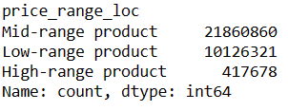
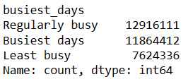
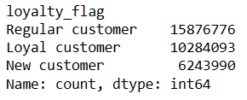
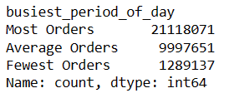
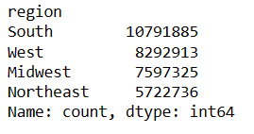
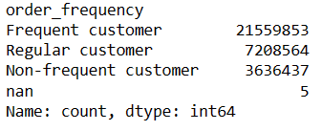
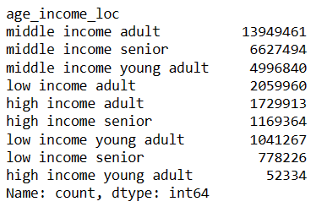
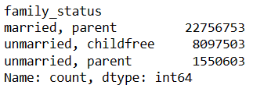
 |  |  |  | Title page

Column derivations and aggregations

In this tab you should add tables below that the frequences of flags/label variables that you produced after deriving them. NB: don't do this for continuous variables, only for flags.
Dataset | New column | Column/s it was derived from | Conditions
ords_prods_merge | price_range_loc | prices | if <= 5 then low-range product, if 5<price<=15 then mid-range product, if >= 15 then high range product
ords_prods_merge | busiest_days | orders_day_of_week | if in [0,1] then busiest days, if in [3,4] then least busy, if else regular busy
ords_prods_merge | busiest_period_of_day | order_hour_of_day | if in [10, 11, 14, 15, 13, 12, 16, 9] then most orders, if in [23, 6, 0, 1, 5, 2, 4, 3] then fewest orders, if else average orders
ords_prods_merge | max_order | user_order_number, user_id | maximum number of orders made by each user
ords_prods_merge | loyalty_flag | max_order | if max_order>40 then loyal customer, if 10<max_order<= 40 then regular customer, if max_order<=10 then new customer
ords_prods_merge | mean_product_price | user_id, prices | average price each customer spends on a single product
ords_prods_merge | spending flag | mean_product_price | if >=10 then high spendinger, if <10 then low spender
ords_prods_merge | median_days_between_orders | user_id, days_since_prior_order | median number of days each customer goes between orders
ords_prods_all | user_activity | max_order | if max_order<5 then low activity, if max_order>=5 then high activity
ords_prods_merge | order_frequency | median_days_between_orders | if >20 the non-frequent customer, if between 10 and 20 then regular customer, if <=10 then frequent customer
ords_prods_all | age_income_loc | age, income | if age <30, then young adult, if 30<=age<65 then adult, if age>=65 then senior if income<52,000 then low income, if 52,000<=income<156,000 then middle income, if income>=156,000 then high income
ords_prods_all | family_status | n_dependants, marital_status | if n_dependants = 0 and marital_status = single, divorced/widowed, living with sibilings or parents, then unmarried child free if n_dependants = 0 and marital status = married, then married childfree if n_dependants ≠ 0 and marital status = single, divorced/widowed, living with sibilings or parents, then unmarried parent if n_dependants ≠ 0 and marital status = married, then married parent
ords_prods_all | region | STATE | regions relative to location of state within USA

6. Visualizations
Title page

Visualisations

In this tab you should include all the visualtions from Exercises 4.9 and 4.10, alongside the questions from the project brief that they answer. Include any commentary on the relationship between different variables.



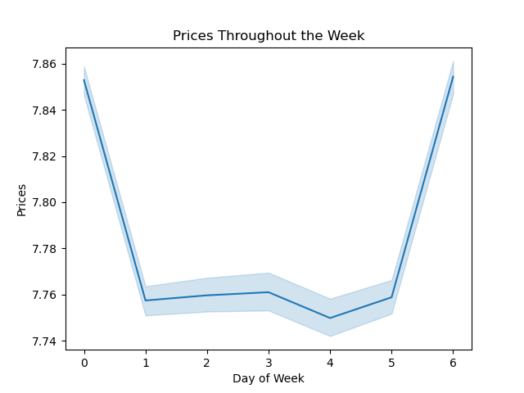


This visual shows that the busiest days of the week are Saturdays and Sundays and the least busy days are Tuesdays and Wednesdays.
This visual shows that the busiest hours of the days are between 10am and 4pm, and that the least busy hours are from midnight to 5am.
Show what hours of the day customers are spending more money on average per item.
This visual shows that on Saturdays and Sundays customers order items with a much higher price tag than the rest of the week.

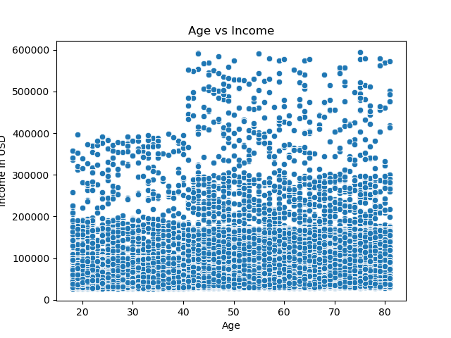
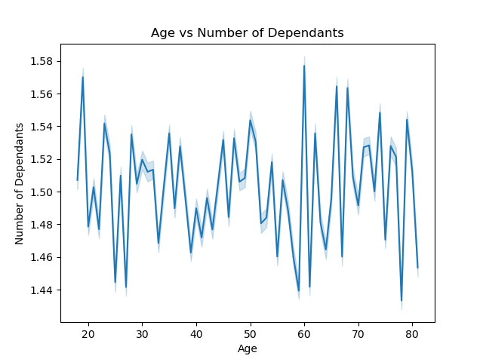
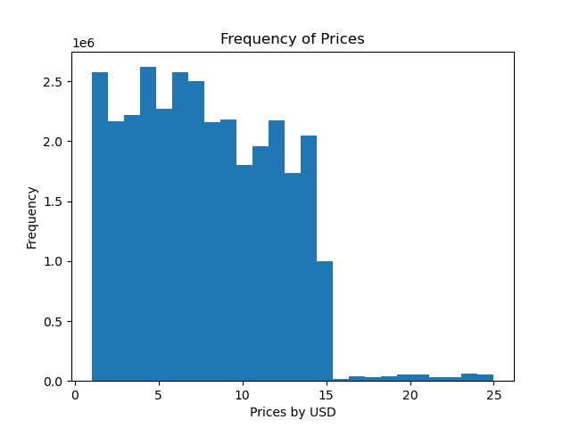


This scatterplot has a point representing age vs income for each customer and tells us there is no real relationship between the two.
This linegraph shows number of dependants vs age and tell us that theree is no re relationship between the two.
This visual shows that lower priced items are ordered at a very high frequency and higher priced items are ordered at a very low frequency.

Gives insight into customer brand loyalty

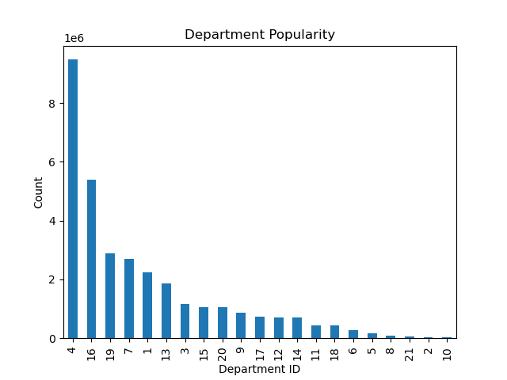
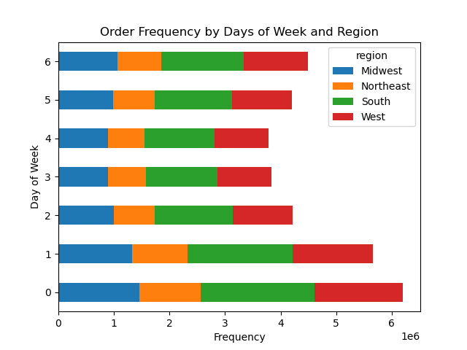
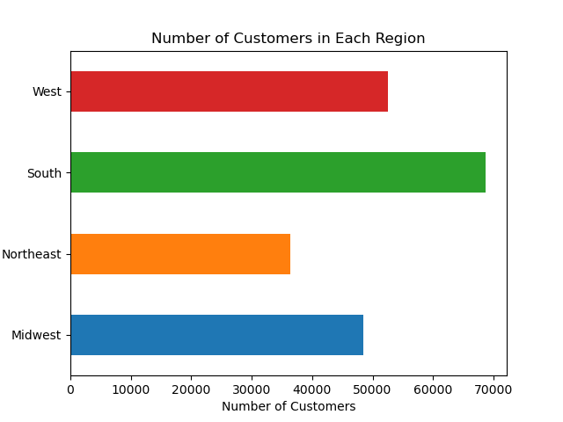
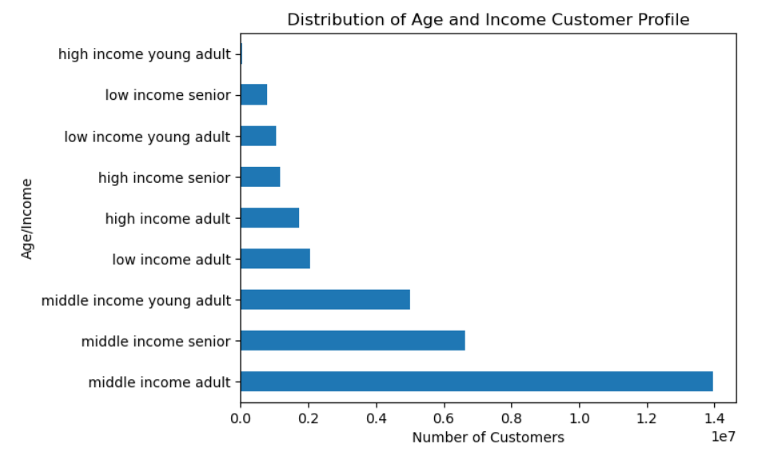

Answers questions about customer demographics
Gives insight into which departments are most popular
Shows that for all regions, weekends are the most popular days for ordering and weekdays are least popular.
Shows number of customers in each region

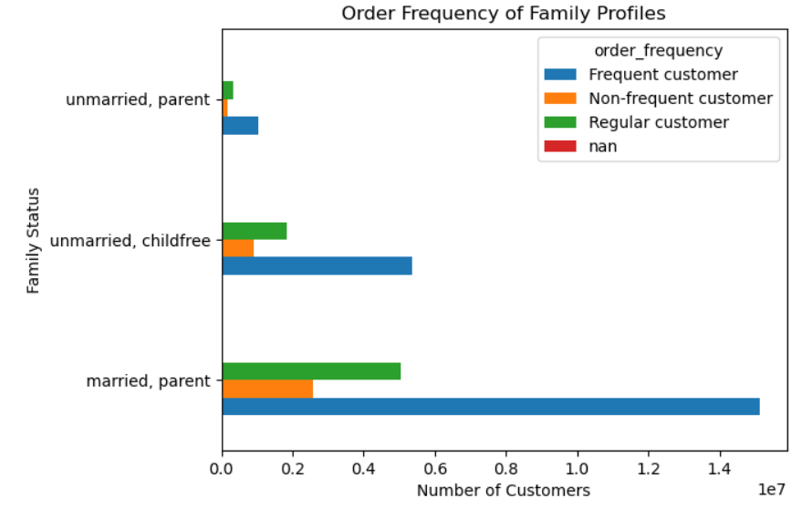
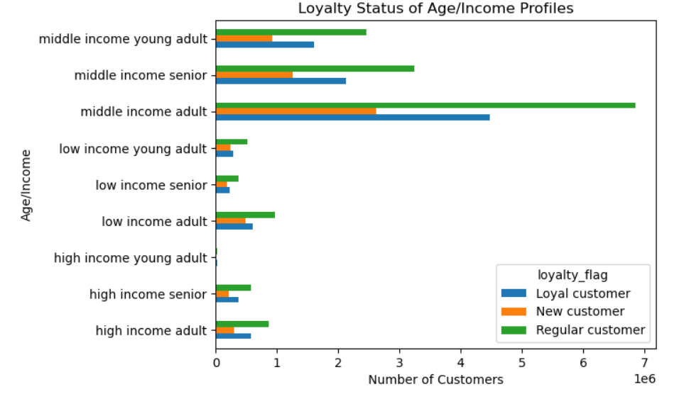
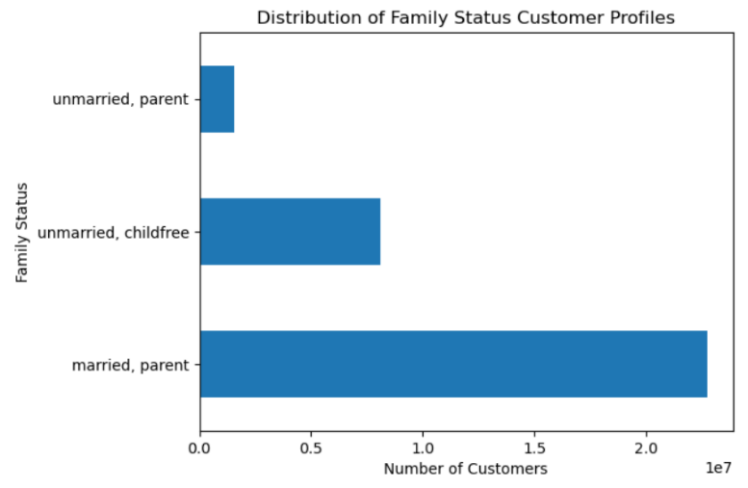
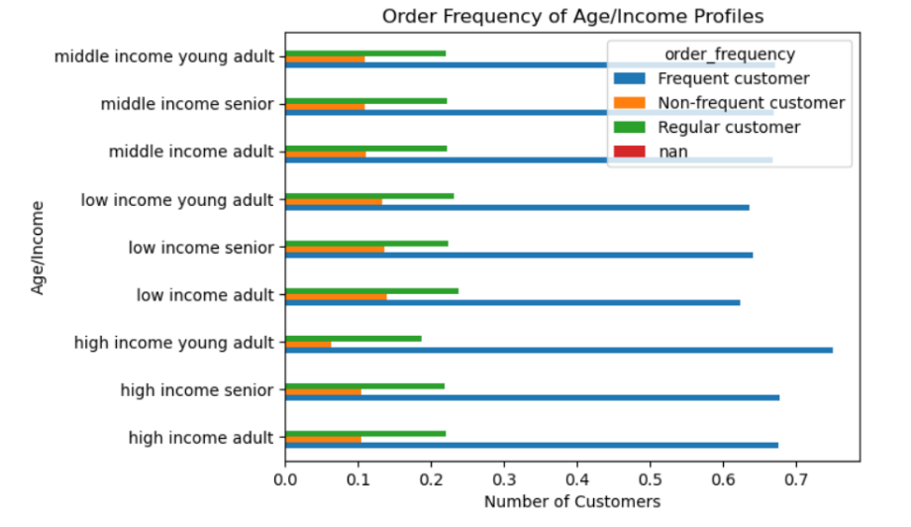

Answers questions about customer demographics
Answers questions about customer demographics
Answers questions about customer demographics
Answers questions about customer demographics

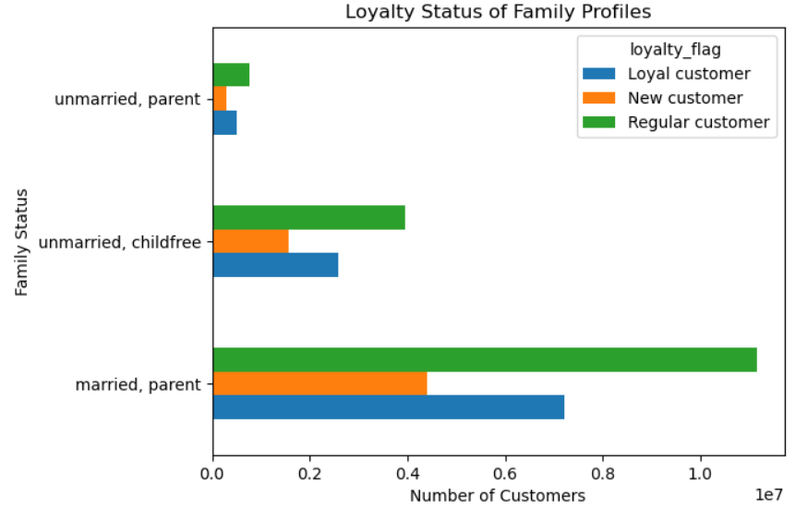

Answers questions about customer demographics

7. Recommendations
Title page

Recommendations

In this tab you should include any recommendations you would made to Instcart in terms of their marketing strategy based on the questions posed in the brief. Every key question has been covered in the Tasks of the Exercises - here you need to add an item - a visualisation or table/crosstable that is showing the answer in the data, acompanied by a comment from you. Please, list the questions below and add the answer underneath.

Key Question 1: What are the busiest days of the week and busiest hours of the day?
Reccomendation
One third of all advertsing efforts should be focused on weekends, and the rest can be split evenly throughout the weekdays. Additionally, for all days of the week advertising should be focused on the midmorning to afternoon, with very little effots put into the earliest hours of the morning.

The busiest days of the week are Saturday and Sunday, account for 36.6% of all business for the company. The rest of the days have a very similar amount of buiness to each other.

The busiest hours of the day are from 10am-3pm. Though these hours make up only one quarter of the day, they account for 50% of all sales. The least busy quarter of the day, 12pm-5am, accounts for only 2% of all sales.

Key Question 2: What time of day and days of the week are customers spending the most money?
Reccomendation
Advertising more expensive items would be most affective in the late afternoon and evening. Mid-morning advertisments should focus around lower-price and possibly on-sale items. All other times could use a wide-variety of price-focused advertisements to try and appeal to a more diverse audience of customers.

If you look at the first chart closely you can see that the average price spent on a product on the various days of the week only ranges between $7.75 and $7.85. Thus the days of the week should not be our focus when considering times in which customers are spending more or less money.

The second chart gives a little more insight. In the early hours of the morning when the frequency of orders is low we see a large error band indicating more sporadic spending at these times. However, we ca conlcude that 10am is when customers are ordering items lower prices and the average spent on an item generally increases as the day goes on.

Key Question 3: Which departments are items most frequently purchased from?
Reccomendation
Our top two departments are produce, acounting for 29% of all company sales, and dairy/eggs accounting for 17%. Both of these are items that need to be purchased more often as they tend to go bad quickly. Focus for advertising should be put on fresh items like these as it will show customers that instead of frequenting the store for these products they can have the convienience of them being delivered.

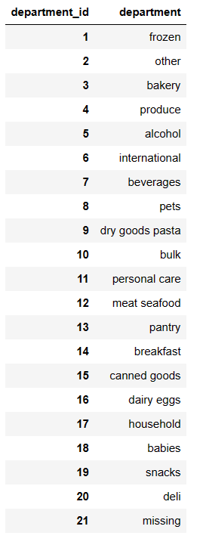
Value Counts for 10 Top Products
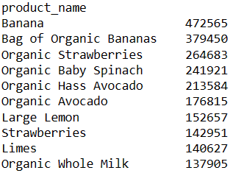

The top 10 products clearly follow from the top departments are the first 9 are from the product department and the 10th is a product from the dairy department.
The top departments are
1- product
2- dairy/eggs
3- snacks

Key Question 4: How does a customers loyalty to the InstaCart company affect their ordering habits?
Reccomendation
Implement some kind of incentive for customers to order more frequently, such as a waived delivery fee is more than two orders in a week are placed or a waived delivery fee for every 5th order in hopes that this would entice regular and new customers to use the service more often.

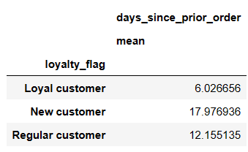
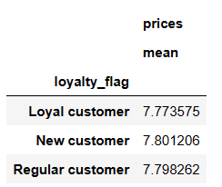

Loyalty Flag Percentages

The average price a customer spends on an item does not differ much by loyalty status. What is significant is the average number of days that the different loyalty groups go in between orders. Loyal customers seem to order twice as often as regular customers and three times as often as new customers.

Key Question 5: Do ordering habits differ amoung customers from different regions?
Reccomendation
When comparing statsitics by region, the only significant finding is that the South contains the most customers especially when compared to the Northeast. Other than that, all customer ordering behavior is very similar across regions. If advertising is able to target customers by region, the South should definitely be the focus.

Percentage of High vs Low Spenders
Average Price Spent on an Item in USD

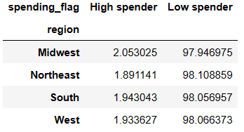
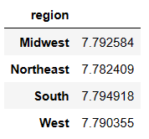

Key Question 6: How do ordering habits differ amount customers of different demographics?
Reccomendation
For the different demographic profiles analyzed, they're does not seem to be any significant findings that differentiate them. What should be focused on here is that customers that are middle income adults and married parents make up the majority of all users. If further data was to be collected on these groups, it could be used to target them more dirrectly. Overall, reccomendations from the above sections should be considering when choosing where advertising efforts are dirrected and to increase customer usage and expenditure.

Two customer profiles have been chosen to be analyzed. The first is age/income. Middle income adults make up the majority of instacart customers at 43%. The second profile is relates to family and groups customers based on marriage status and whether they have dependant or not. Majority of users are married with dependants and account for 70% of all customers.

Average Number of Days Between Orders
Average Price Spent per Product

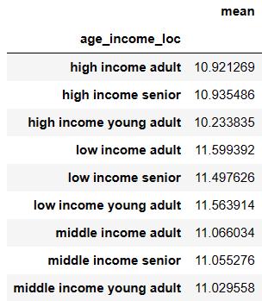
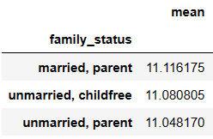
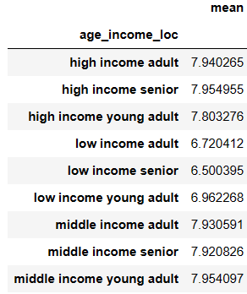
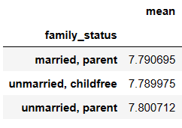
For both profiles, there is not much difference in the average number of days betwen orders or the average price spent per product.

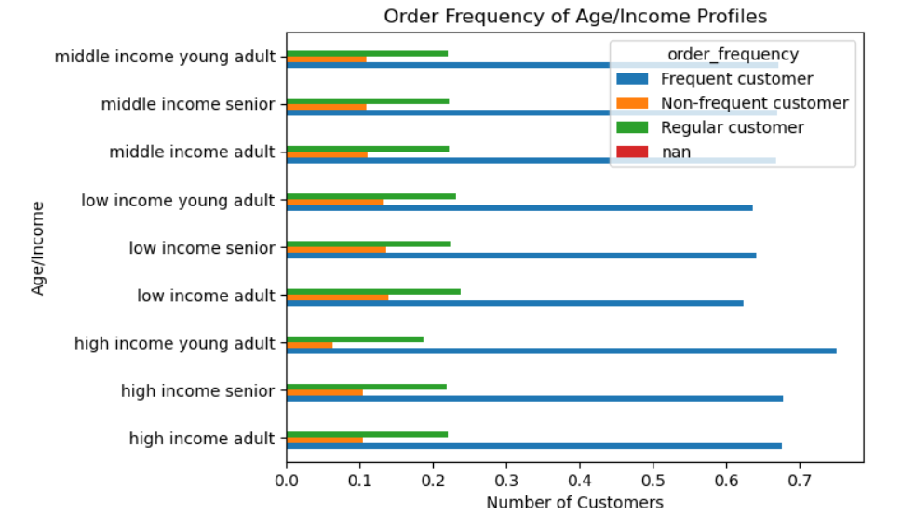
Again, for both profiles there is not a siginificant difference between groups. Across the board, the majority of users are frequent customers followed by regular customers and lastly non-frequent customers.

For all groups, majority of users are regular customers.

